Geothermal
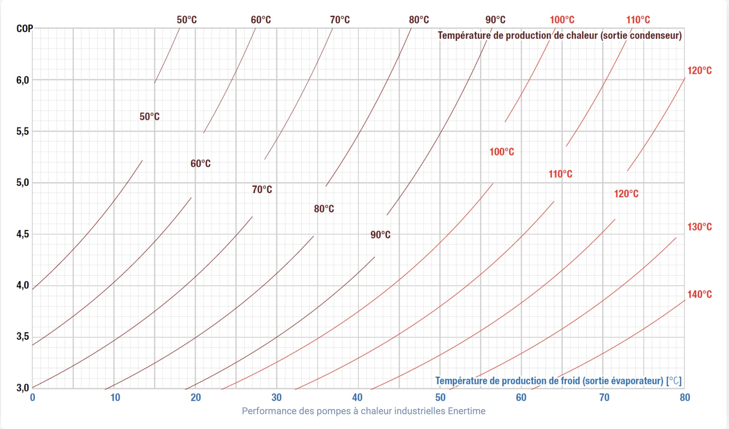
Middle geotermal source |  |  |  | High geotermal source
 |  |  |  |  |  |  |  | Fixed investment (€) | 6,000,000.00
Natural gas demand | MWh/a | 70,000.00 |  | Natural gas demand | MWh/a | 70,000.00 |  | Water flow (kg/s) | 50
Efficiency | COP | 2.80 |  | Efficiency | COP | 4.00 |  | Retruned temperature (°C) | 30
Electricity needed | MWh/a | 25,000.00 |  | Electricity needed | MWh/a | 17,500.00
Time of use | hours | 8,200.00 |  | Time of use | hours | 8,200.00 |  | Source Temperature (°C) | ΔT (°C) | Power output (kW) | Specific capex (€/kW)
Capacity of HEAT PUMP | MW | 3.05 |  | Capacity of HEAT PUMP | MW | 2.13 |  | 50 | 20 | 4180.00 | 1,435.41
 |  |  |  |  |  |  |  | 60 | 30 | 6270.00 | 956.94
CAPEX |  | 8,439,024.39 |  | CAPEX |  | 7,040,650.41 |  | 70 | 40 | 8360.00 | 717.70
CAPEX with Subsidies |  | 5,907,317.07 |  | CAPEX with Subsidies |  | 4,928,455.28 |  | 80 | 50 | 10450.00 | 574.16
Specific CAPEX | €/MW | 800,000.00 |  | Specific CAPEX | €/MW | 800,000.00 |  | 90 | 60 | 12540.00 | 478.47
CAPEX HEAT PUMP |  | 2,439,024.39 |  | CAPEX HEAT PUMP |  | 1,707,317.07 |  | 100 | 70 | 14630.00 | 410.12
Capacity |  | 3.05 |  | Capacity |  | 2.13 |  | 110 | 80 | 16720.00 | 358.85
CAPEX GEO | €/KW | 956.94 |  | CAPEX GEO | €/KW | 318.98 |  | 120 | 90 | 18810.00 | 318.98
CAPEX GEO TOTAL | € | 6,000,000.00 |  | CAPEX GEO TOTAL |  | 5,333,333.33
Subsidies | € | (2,531,707.32) | (Fonds Chaleur, up to 65% for social housing, estimated at 30% average for industrial) | Subsidies | € | (2,112,195.12) | (Fonds Chaleur, up to 65% for social housing, estimated at 30% average for industrial)
 |  |  |  |  |  |  |  | Thermic capacity of water = 4.18 kJ/kg·K
OPEX |  | 2,612,170.73 |  | OPEX |  | 1,990,219.51
Fixed Opex | €(% of capex) | 73,170.73 |  | Fixed Opex | €(% of capex) | 51,219.51
Cost of Electricity | €/MWh | 80.00 |  | Cost of Electricity | €/MWh | 80.00
Cost of Electricity/a | €/MWh | 2,000,000.00 |  | Cost of Electricity/a | €/MWh | 1,400,000.00
CO2 price of certificate | EUR/t | 70 |  | CO2 price of certificate | EUR/t | 70
CO2 price | EUR/a | 539,000.00 |  | CO2 price | EUR/a | 539,000.00

Total cost of use |  |  |  | Total cost of use
Total CAPEX | € | 5,907,317.07 |  | Total CAPEX | € | 4,928,455.28
Total OPEX (lifetime) | € | 52,243,414.63 |  | Total OPEX (lifetime) | € | 39,804,390.24
Total cost | € | 58,150,731.71 |  | Total cost | € | 44,732,845.53
Lifetime | years | 20 |  | Lifetime | years | 20 |  | 0.134

Total MWh lifetime | Mwh | 500,000.00 |  | Total MWh lifetime | Mwh | 350,000.00
LCOE |  | 116.30 |  | LCOE |  | 127.81

emission factor of Heat pump + geo | TCo2/MWh | 0.11 |  | emission factor of Heat pump + geo | TCo2/MWh | 0.11
TCO2e emmitted | TCO2e/a | 7,700.00 |  | TCO2e emmitted | TCO2e/a | 7,700.00
TCO2e avoided | TCO2e | 6,440.00 |  | TCO2e avoided | TCO2e | 6,440.00
Tons Co2 produce per MWh for natural gaz | TCo2/MWh | 0.202 |  | Tons Co2 produce per MWh for natural gaz | TCo2/MWh | 0.202
LCOE natural gaz | EUR/ | 67.888603175 |  | LCOE natural gaz | EUR/ | 67.888603175
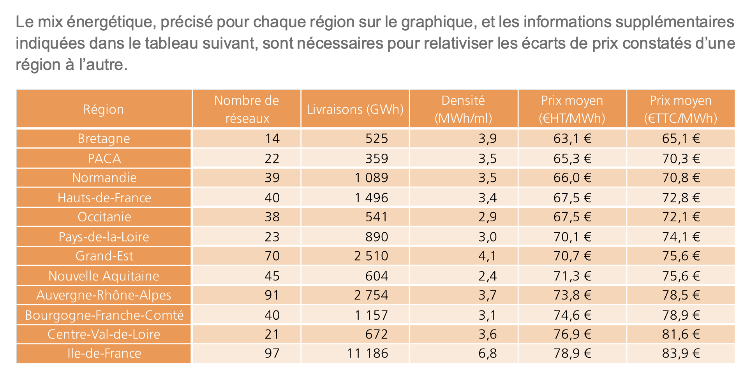
Cost avoidance | €/TCo2 | -526.23 |  | Cost avoidance | €/TCo2 | -651.30

Eligibility Criteria for Subsidies: Installation of geothermal systems utilizing heat pumps for heating purposes. Applicable to collective housing, agriculture, industry, and the tertiary sector (e.g., commercial buildings). Technical Requirements: Use of certified equipment and adherence to recognized technical standards. Engagement of professionals with RGE (Reconnu Garant de l’Environnement) certification for installation and maintenance. Implementation of monitoring systems post-installation to ensure performance

